Datat
2.54 | 2.205

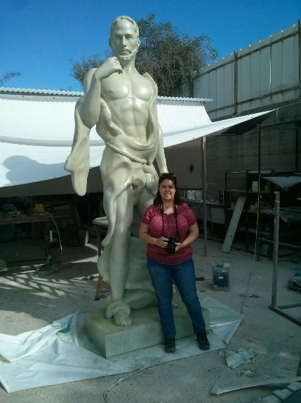
Print Time, Dimensions, Weight and Costs

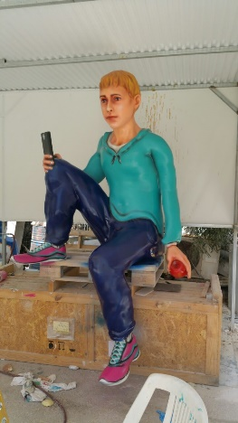
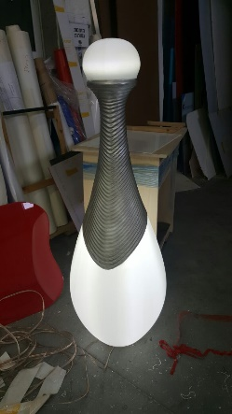
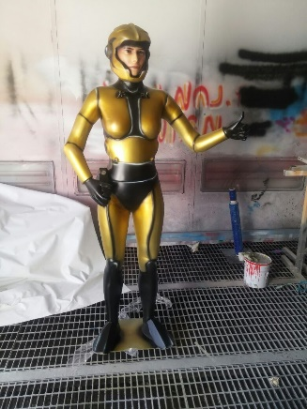
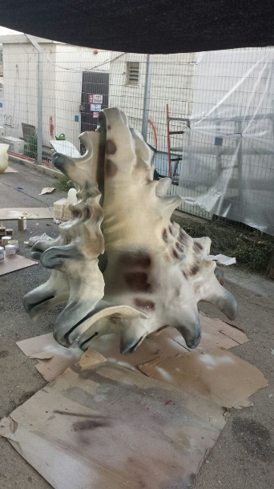
Jobs

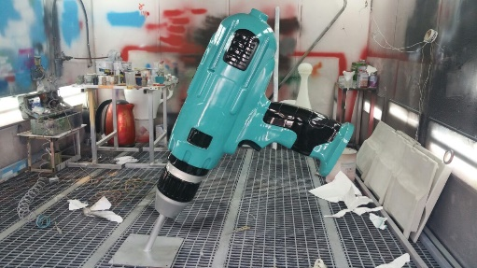
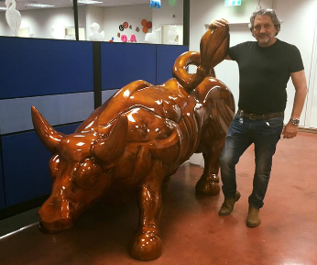

 | Coke like |  | Boy |  | Perfume |  | Bull |  | Astronaut (bull like) |  | Statue |  | Shell |  | Drill
Dimensions | cm | inch | cm | inch | cm | inch | cm | inch | cm | inch | cm | inch | cm | inch | cm | inch
Size X | 40 | 15.7 | 130 | 51.2 | 43 | 16.9 | 119 | 46.9 | 94 | 37.0 | 95 | 37.4 | 120 | 47.2 | 38 | 15.0
Size Y | 40 | 15.7 | 159 | 62.6 | 43 | 16.9 | 236 | 92.9 | 33 | 13.0 | 150 | 59.1 | 160 | 63.0 | 101 | 39.8
Size Z | 160 | 63.0 | 260 | 102.4 | 120 | 47.2 | 174 | 68.5 | 180 | 70.9 | 321 | 126.4 | 160 | 63.0 | 179 | 70.5

Time to print | 4.5 hr. |  | 24.5 hr. |  | 3.5 hr. |  | 24 | hours | 9.5 | hours | 30 | hours | 32 | hours | 11.5 | hours

Material consumption | Kg | lb. | Kg | lb. | Kg | lb. | Kg | lb. | Kg | lb. | Kg | lb. | Kg | lb. | Kg | lb.
 | 4.0 | 8.8 | 50.0 | 110.3 | 5.0 | 11.0 | 43.0 | 94.8 | 10.0 | 22.1 | 41.5 | 91.5 | 37.0 | 81.6 | 16.0 | 35.3

Print cost (100 per kilo) | 400 |  | 5,000 |  | 500 |  | 4,300 |  | 1,000 |  | 4,150 |  | 3,700 |  | 1,600
100
 | Some models printed in few parts and assembled together

